balance
Balance Sheet | 2016A | 2017A | 2018A | 2019A | 2020A | 2021A | 2022P | 2023P | 2024P | 2025P | 2025P
Current assets
Cash and cash equivalents | 3,393 | 3,368 | 3,686 | 6,268 | 19,384 | 17,576 | 33,860 | 44,414 | 54,726 | 56,585 | 71,660
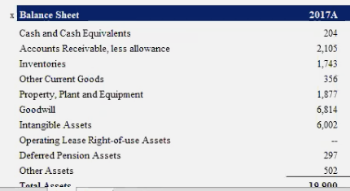
Restricted cash | 106 |  |  | 246
Short-term marketable securities |  | 155 | 193 |  |  | 131
Accounts receivable, net | 499 | 515 | 949 | 1,324 | 1,886 | 1,913 | 6,094 | 4,409 | 8,533 | 4,848 | 12,097
Inventory | 2,067 | 2,264 | 3,113 | 3,552 | 4,101 | 5,757 | 23,256 | 14,799 | 32,091 | 16,393 | 45,007
Prepaid expenses and other current assets | 194 | 268 | 366 | 713 | 1,346 | 1,723 | 30,185 | 39,593 | 48,785 | 50,443 | 63,882
Total current assets | 6,260 | 6,571 | 8,306 | 12,103 | 26,717 | 27,100 | 93,395 | 103,215 | 144,134 | 128,270 | 192,646

NonCurrent Assets
Operating lease vehicles, net | 3,134 | 4,117 | 2,090 | 2,447 | 3,091 | 4,511
Solar energy systems, net | 5,920 | 6,347 | 6,271 | 6,138 | 5,979 | 5,765
Property, plant and equipment, net | 5,983 | 10,028 | 11,330 | 10,396 | 12,747 | 18,884
Operating lease right-of-use assets |  | 362 | 282 | 1,218 | 1,558 | 2,016
Digital assets, net |  | 60 | 68 |  |  | 1,260
Intangible assets, net | 376 | 457 | 422 | 339 | 313 | 257
Goodwill |  | 442 | 398 | 198 | 207 | 200
MyPower customer notes receivable, net of current portion | 506 |  |  | 393
Restricted cash, net of current portion | 268 |  |  | 269
Other non-current assets | 217 | 273 | 572 | 808 | 1,536 | 2,138
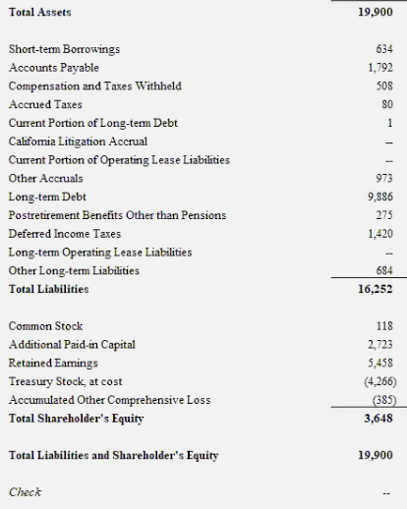
Total non-current assets
Total assets | 22,664 | 28,655 | 29,740 | 34,309 | 52,148 | 62,131

Current liabilities
Accounts payable | 1,860 | 2,390 | 3,404 | 3,771 | 6,051 | 10,025 | 18,909 | 19,043 | 27,720 | 20,632 | 40,601
Accrued liabilities and other | 1,210 | 1,731 | 2,094 | 2,905 | 3,855 | 5,719 | 10,997 | 14,424 | 17,773 | 18,377 | 23,273
Deferred revenue | 763 | 1,015 | 630 | 1,163 | 1,458 | 1,447 | 3,708 | 4,864 | 5,993 | 6,197 | 7,847
Resale value guarantees | 180 | 787 | 503 | 317
Customer deposits | 664 | 854 | 793 | 726 | 752 | 925 | 2,661 | 3,490 | 4,301 | 4,447 | 5,631
Current portion of debt and finance leases | 984 | 797 | 2,568 | 1,785 | 2,132 | 1,589 | 7,163 | 9,396 | 11,577 | 11,971 | 15,160
Current portion of promissory notes issued to related parties | 166 | 100
Total current liabilities | 5,827 | 7,675 | 9,992 | 10,667 | 14,248 | 19,705 | 43,438 | 51,217 | 67,364 | 61,623 | 92,513
working capital | (1,916) | (3,731) | (2,996) | (3,293) | (4,783) | (8,723) | 23,260 | 16,980 | 33,622 | 22,032 | 43,633

NonCurrent Liabilities
Debt and finance leases, net of current portion | 5,860 | 9,418 | 9,404 | 11,634 | 9,556 | 5,245
Solar bonds issued to related parties, net of current portion | 99
Convertible senior notes issued to related parties | 10
Deferred revenue, net of current portion | 852 | 1,178 | 991 | 1,207 | 1,284 | 2,052
Resale value guarantees, net of current portion | 2,210 | 2,309 | 329 | 36
Other long-term liabilities | 1,891 | 2,443 | 2,710 | 2,655 | 3,330 | 3,546
Total liabilities | 16,750 | 23,023 | 23,426 | 26,199 | 28,418 | 30,548

Equity
Common stock | 0 | 0 | 0 |  | 1 | 1
Additional paid-in capital | -7,774 | 9,178 | 10,249 | 12,737 | 27,260 | 29,803
Accumulated other comprehensive income | -24 | 33 | -8 | -36 | 363 | 54
Retained earnings (accumulated deficit) | -2,997 | -4,974 | -5,318 | -6,083 | -5,399 | 331
Total stockholders' equity | 4,753 | 4,237 | 4,923 | 6,618 | 22,225 | 30,189
Total liabilities and equity | 22,664 | 28,655 | 29,740 | 34,309 | 52,148 | 62,131

Current assets | Current assets | Current assets |  |  |  |  | Projected
Cash and cash equivalents (% margin) | Cash and cash equivalents | Cash and cash equivalents | 17.2% | 25.5% | 61.5% | 32.7% | 34.2%
Short-term marketable securities (% margin) | Short-term marketable securities | Short-term marketable securities | 0.9% |  |  | 13.4% | 7.1%
Accounts receivable, net (turnover) | Accounts receivable, net | Accounts receivable, net | 29.31 | 21.63 | 19.65 | 28.34 | 24.73
Inventory (turnover) | Inventory | Inventory | 6.48 | 6.15 | 6.51 | 8.16 | 6.83
Prepaid expenses and other current assets (% margin) | Prepaid expenses and other current assets | Prepaid expenses and other current assets | 1.7% | 25.7% | 50.4% | 44.1% | 30.5%

Current liabilities
Accounts payable (turnover) | 1,860 | 2,390 | 7.41 | 6.85 | 6.42 | 6.70 | 6.84
Accrued liabilities and other (% margin) | 1,210 | 1,731 | 9.8% | 11.8% | 12.2% | 10.6% | 11.1%
Deferred revenue (% margin) | 763 | 1,015 | 2.9% | 4.7% | 4.6% | 2.7% | 3.7%
Resale value guarantees (% margin) | 180 | 787 | 2.3% | 1.3% |  |  | 1.8%
Customer deposits (% margin) | 664 | 854 | 3.7% | 3.0% | 2.4% | 1.7% | 2.7%
Current portion of debt and finance leases | 984 | 797 | 12.0% | 7.3% | 6.8% | 3.0% | 7.2%

cashflow
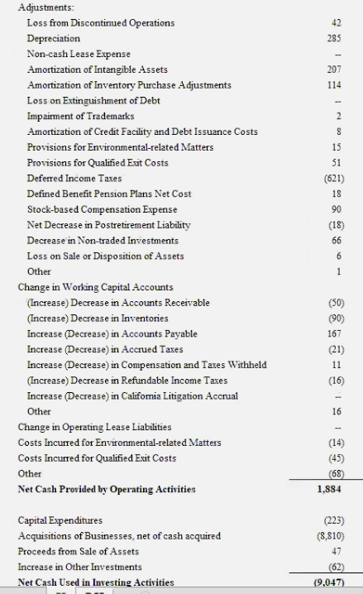
Cashflow Statement | 2018A | 2019A | 2020A | 2021A | 2022P | 2023P | 2024P | 2025P | 2025P
Cash Flows from Operating Activities
Net income (loss) | -1,063 | -775 | 862 | 5,644
Adjustments to reconcile net income (loss) to net cash provided by operating activities:
Depreciation, amortization and impairment | 1,901 | 2,154 | 2,322 | 2,911 | 7,523 | 9,868 | 12,159 | 12,572 | 15,921
Stock-based compensation | 749 | 898 | 1,734 | 2,121
Amortization of debt discounts and issuance costs | 159
Inventory and purchase commitments write-downs | 85 | 193 | 202 | 140
Loss on disposals of fixed assets | 161
Foreign currency transaction net unrealized (gain) loss | -2 | -48 | 114 | -55
Loss (gain) related to SolarCity acquisition | 0
Non-cash interest and other operating activities | 49 | 520 | 525 | 245
Digital assets gain, net |  |  |  | -27
Operating cash flow related to repayment of discounted convertible senior notes |  | -188
Changes in operating assets and liabilities: |  |  |  | -434
Accounts receivable | -497 | -367 | -652 | -130 | -4,181 | 1,686 | -4,124 | 3,684 | -7,249
Inventory | -1,023 | -429 | -422 | -1,709 | -17,499 | 8,456 | -17,291 | 15,698 | -28,614
Operating lease vehicles | -215 | -764 | -1,072 | -2,114
Prepaid expenses and other current assets | -82 | -288 | -251 | -271 | -28,462 | -9,408 | -9,192 | -1,658 | -13,438
Other non-current assets | -207 | 115 | -344 | -1,291
Accounts payable and accrued liabilities | 1,723 | 646 | 2,102 | 4,578
Deferred revenue | 407 | 801 | 321 | 793
Customer deposits | -97 | -58 | 7 | 186
Resale value guarantee | -111
Other long-term liabilities | 160 | -5 | 495 | 476
Net cash provided by operating activities | 2,098 | 2,405 | 5,943 | 11,497

Cash Flows from Investing Activities
Purchases of property and equipment excluding finance leases, net of sales | -2,101 | -1,327 | -3,157 | -6,482 | -2,236 | -2,933 | -3,614 | -3,737 | -4,732
Maturities of short-term marketable securities
Purchases of solar energy systems, net of sales | -219 | -105 | -75 | -32
Purchases of digital assets |  |  |  | -1,500
Proceeds from sales of digital assets |  |  |  | 272
Purchases of marketable securities |  |  |  | -132
Receipt of government grants |  | 46 | 123 | 6
Purchase of intangible assets |  | -5 | -10
Business combinations, net of cash acquired | -18 | -45 | -13
Net cash used in investing activities | -2,337 | -1,436 | -3,132 | -7,868

Cash Flows from Financing Activities
Proceeds from issuances of common stock in public offerings, net of issuance costs |  | 848 | 12,269
Proceeds from issuances of convertible and other debt | 6,176 | 10,669 | 9,713 | 8,883
Repayments of convertible and other debt | -5,247 | -9,161 | -11,623 | -14,167
Repayments of borrowings issued to related parties | -100
Collateralized lease repayments | -559 | -389 | -240 | -9
Proceeds from exercises of stock options and other stock issuances | 296 | 263 | 417 | 707
Principal payments on finance leases | -181 | -321 | -338 | -439
Debt issuance costs | -15 | -37 | -6 | -9
Purchase of convertible note hedges |  | -476
Proceeds from issuance of warrants |  | 174
Proceeds from investments by noncontrolling interests in subsidiaries |  | 279 | 24 | 2
Payments for settlements of warrants
Proceeds from investments by noncontrolling interests in subsidiaries | 437
Distributions paid to noncontrolling interests in subsidiaries | -227 | -311 | -208 | -161
Payments for buy-outs of noncontrolling interests in subsidiaries | -6 | -9 | -35 | -10
Net cash (used in) provided by financing activities | 574 | 1,529 | 9,973 | -5,203
Effect of exchange rate changes on cash and cash equivalents and restricted cash | -23 | 8 | 334 | -183
Net (decrease) increase in cash and cash equivalents and restricted cash | 311 | 2,506 | 13,118 | -1,757
Cash and cash equivalents and restricted cash, beginning of period | 3,965 | 4,277 | 6,783 | 19,901
Cash and cash equivalents and restricted cash, end of period | 4,276 | 6,783 | 19,901 | 18,144

Supplemental Non-Cash Investing and Financing Activities
Equity issued in connection with business combination |  | 207
Acquisitions of property and equipment included in liabilities | 249 | 562 | 1,088 | 2,251
Estimated fair value of facilities under build-to-suit leases | 94

Supplemental Disclosures
Cash paid during the period for interest, net of amounts capitalized | 381 | 455 | 444 | 266
Cash paid during the period for taxes, net of refunds | 35 | 54 | 115 | 561

YoY Growth |  |  |  |  |  |  |  |  | Terminal | #DIV/0!

% Margins
Cash Flows from Operating Activities
Depreciation, amortization and impairment | 8.9% | 8.8% | 7.4% | 5.4% | 7.6% | 7.6% | 7.6% | 7.6% | 7.6%
Changes in operating assets and liabilities: (turnover rate)
Accounts receivable | -82 | -57 | -62 | -138 | -85 | -85 | -85 | -85 | -85
Inventory | -9 | -8 | -19 | -13 | -12 | -12 | -12 | -12 | -12
Operating lease vehicles | -6 | -13 | -9 | -8 | -9 | -9 | -9 | -9 | -9
Prepaid expenses and other current assets | -70 | -33 | -29 | -52 | -46 | -46 | -46 | -46 | -46
Other non-current assets | -48 | -133 | -69 | -16 | -67 | -67 | -67 | -67 | -67
Accounts payable and accrued liabilities | 5 | 5 | 6 | 4 | 5 | 5 | 5 | 5 | 5
Deferred revenue | 12 | 10 | 14 | 24 | 15 | 15 | 15 | 15 | 15
Customer deposits | 146 | -79 | -309 | 139 | -26 | -26 | -26 | -26 | -26
Resale value guarantee | 109 | -111 |  |  | -1 | -1 | -1 | -1 | -1
Cash Flows from Investing Activities
Capital Expenditures | -2.1% | -1.0% | -2.0% | -3.9% | -2.3% | -2.3% | -2.3% | -2.3% | -2.3%

valuation
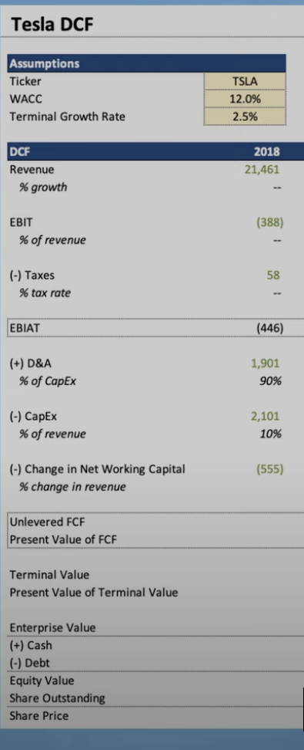

(-) Taxes | (1,127) | (993) | (2,162) | (1,299) | (3,959) | (9,700) | - | - | - | - | -
% tax rate | 70% | 45% | 53% | 32% | 60% | 71% | 55%

EBIAT | 1,127 | 993 | 2,162 | 1,299 | 3,959 | 9,700 | - | - | - | - | -

(+) D&A | #REF! | #REF! | #REF! | #REF! | #REF! | #REF! | #REF! | #REF! | #REF! | #REF! | #REF!
% of sales | #REF! | #REF! | #REF! | #REF! | #REF! | #REF! | #REF!

(-) CapEx

(-) change in NWC
% change in revenue

Unlevered FCF
Present Value of FCF

Terminal Value
Present Valuje of Terminal Value

Enterprise Value
(+) Cash
(-) Debt
Equity Value
Shares Outshanding
Share Price

